Indices

 | Iraq Stock Exchange
 | Bulletin No (216)

 | ISX Trading Indices of Tuesday 2/12/2025

 | Traded Volume and OTC |  | 768,236,096 |  | Traded Value and OTC |  | 2,756,863,620 |  | Traders | 972

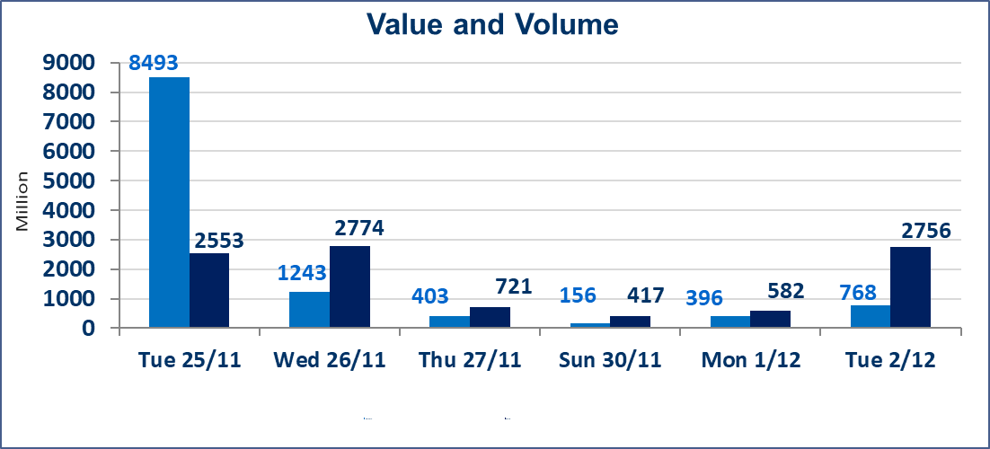
 | ISX Index 60 |  |  | 962.91 | ISX Index 15 |  |  | 1186.06
 | Previous ISX Index60 |  |  | 963.32 | Previous ISX Index15 |  |  | 1187.68
 | Change % |  |  | -0.04 | Change % |  |  | -0.14
 | Change |  |  | -0.41 | Change |  |  | -1.62

 | Listed Companies | 104 | OTC | 14 | Non Traded listed | 41 | OTC | 11
 | Traded Listed Companies | 49 | OTC | 1 | Higher Companies |  |  | 10
 | GAM Companies |  |  | 4 | Lower Companies |  |  | 19
 | Suspended Companies |  |  | 10
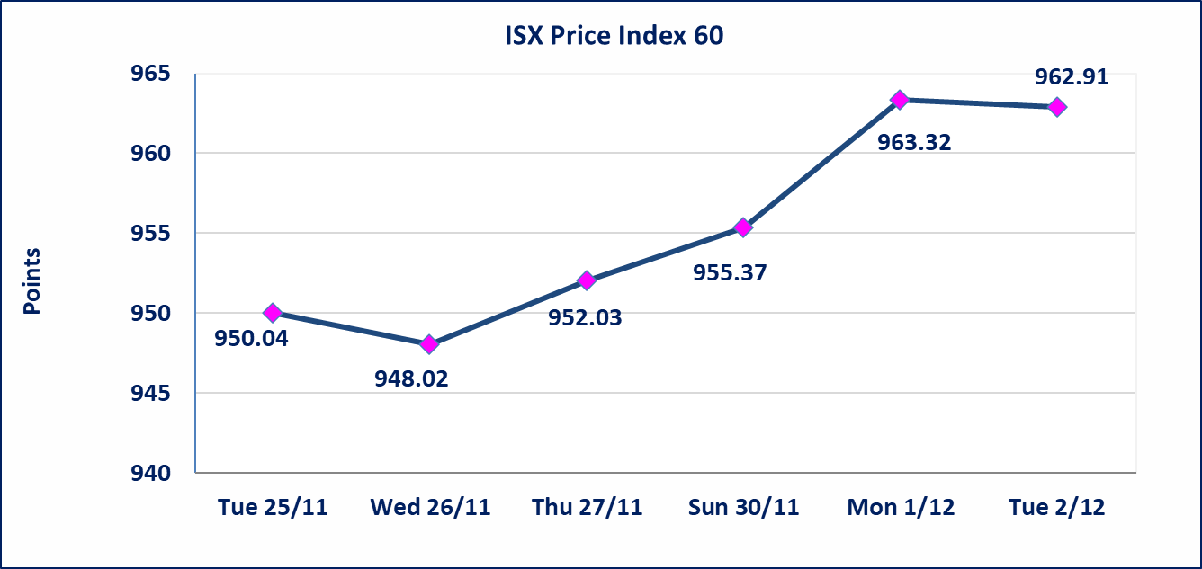
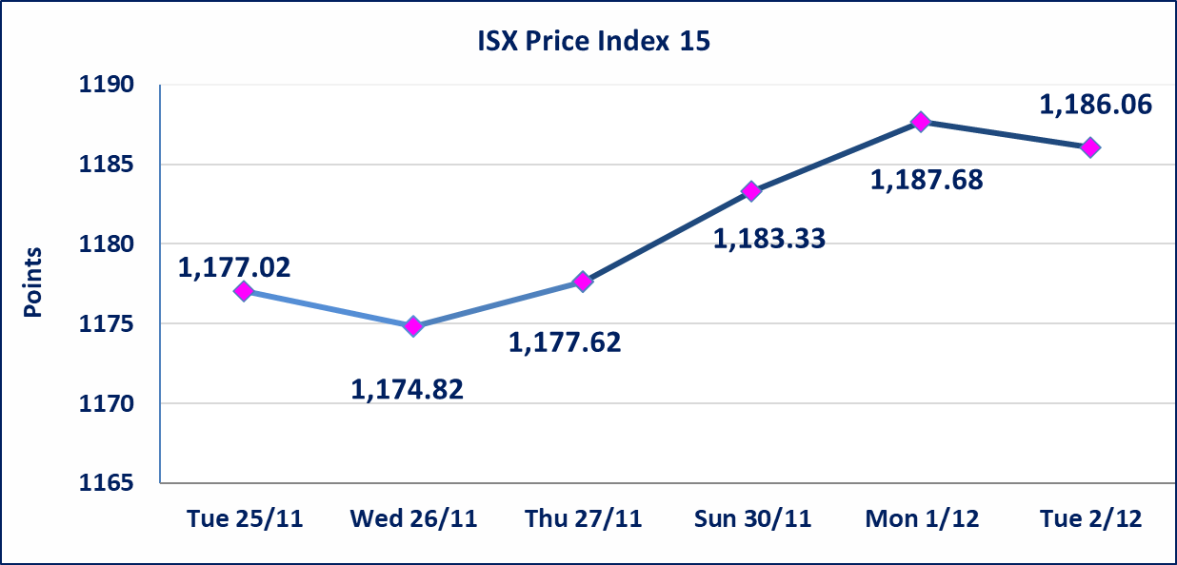

 | special orders | Al-Rafidain Brokerage Company executed a deliberate cross order on the shares of Baghdad Soft Drinks Company with a number of shares (360,000,000) shares with a value of (1,962,000,000) dinars, during the additional session time (after 1 pm) in accordance with the procedures for executing large transactions.
Al-Alwiya P.O . 3607 Mobile: 07711211522 - 07270094594 - 07834000034 E-mail: info-isx@isx-iq.net Web site:www.isx-iq.net

Top 5
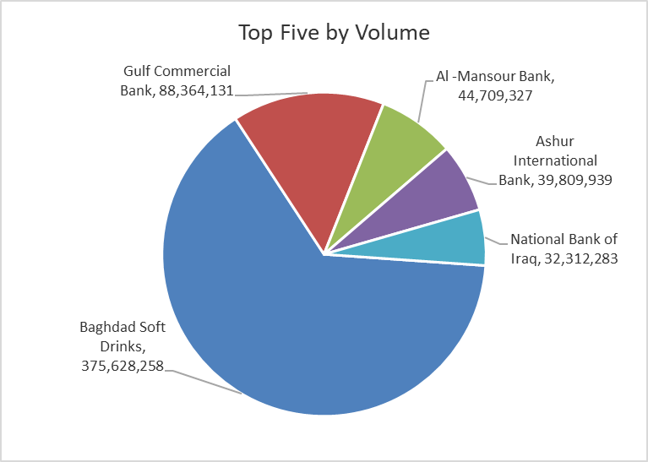
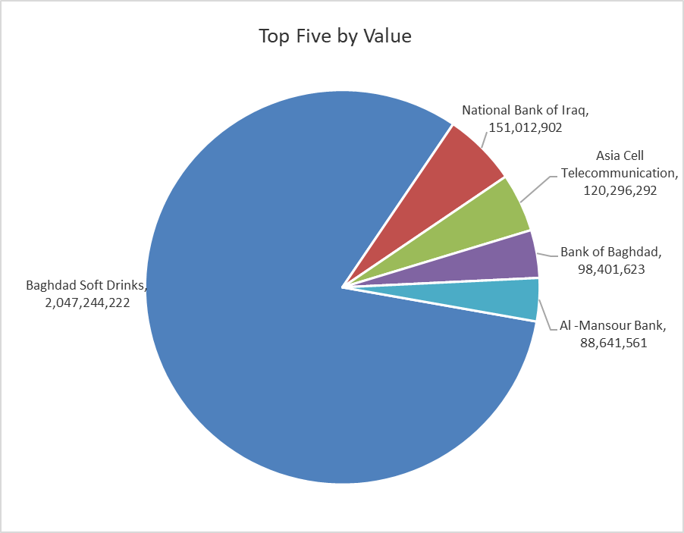
ISX top ganing and losing companies
Tuesday 2/12/2025
Gainers |  |  |  | Losers
Company Name | Closing Price | Change (%) | Traded Volume | Company Name | Closing Price | Change (%) | Traded Volume
Al-Khatam Telecom | 4.090 | 14.89 | 1,869,588 | Babil Animal & Vegetable Production | 12.000 | -14.22 | 127,166
Iraqi Islamic Bank | 1.040 | 6.12 | 10,917,022 | Al-Ameen for Insurance | 0.900 | -5.26 | 1,102,889
The Light Industries | 1.260 | 5.00 | 26,999,258 | AL-Badia for General Trans | 1.040 | -4.59 | 349,597
Modern Construction Materials | 0.730 | 4.29 | 651,597 | Investment Bank of Iraq | 0.220 | -4.35 | 19,721,609
National for Tourist Investment | 10.500 | 1.84 | 56,000 | Economy Bank | 0.230 | -4.17 | 23,337,703

The most active companies in term of traded volume and value

Traded Volume |  |  |  | Traded Value
Company Name | Closing Price | Change (%) | Traded Volume | Company Name | Closing Price | Change (%) | Traded Value
Baghdad Soft Drinks | 5.450 | -0.37 | 375,628,258 | Baghdad Soft Drinks | 5.450 | -0.37 | 2,047,244,222
Gulf Commercial Bank | 0.290 | 0.00 | 88,364,131 | National Bank of Iraq | 4.680 | -0.43 | 151,012,902
Al -Mansour Bank | 1.980 | -0.50 | 44,709,327 | Asia Cell Telecommunication | 13.050 | 0.38 | 120,296,292
Ashur International Bank | 0.260 | 0.00 | 39,809,939 | Bank of Baghdad | 3.420 | -0.87 | 98,401,623
National Bank of Iraq | 4.680 | -0.43 | 32,312,283 | Al -Mansour Bank | 1.980 | -0.50 | 88,641,561

OTC

Iraq Stock Exchange

Tuesday 2/12/2025
OTC Platform Trading Bulletin No (216)
Company Name | Code | highest price | lowest price | Average price | No.of Trades | Traded Volume | Traded Value
Banks Sector
Al-Warka Bank | BWAI | 0.090 | 0.090 | 0.090 | 4 | 38,539 | 3,469
Total Of Banks Sector |  |  |  |  | 4 | 38,539 | 3,469
Total |  |  |  |  | 4 | 38,539 | 3,469

Not Trading OTC Companies
Company Name |  |  | Code |  | Previous Average price
Banks Sector
Al-Sanam Islamic Bank |  |  | BSAN |  | 3.000
Hammurabi Commercial Bank |  |  | BHAM |  | ـــــــــــــــــــــــــــــــــــ
Industrial Sector
Kirkuk producing constructional materials |  |  | IKFP |  | ـــــــــــــــــــــــــــــــــــ
Money Service Sector
Rabee Securities |  |  | FRSE |  | 9.500
Karmal Brokerage |  |  | FKSX |  | 10.000
Ishtar Gate for e-Paymant |  |  | FISH |  | 1.000
Sama Baghdad Exchange |  |  | FSBE |  | ـــــــــــــــــــــــــــــــــــ
Iraqi Deposit Insurance Corporation |  |  | FIDI |  | ـــــــــــــــــــــــــــــــــــ
Insurance Sector
Al Badia Insurance |  |  | NBAD |  | ـــــــــــــــــــــــــــــــــــ
Shatt Al Arab Insurance |  |  | NSHA |  | 1.000
Dilina Insurance Company |  |  | NDIL |  | ـــــــــــــــــــــــــــــــــــ

Non Iraqis

Iraq Stock Exchange
Non Iraqis' Bulletin Tuesday Dec 2 2025
Regular Market

Non Iraqi Trading of Regular Market (Buy)
Company Names | Code | No.of trades | Traded Shares | Trading Volume
Banks Sector
National Bank Of Iraq | BNOI | 13 | 6,765,000 | 31,595,500
Gulf Commercial Bank | BGUC | 2 | 53,000,000 | 15,370,000
Total Bank sector |  | 15 | 59,765,000 | 46,965,500
Grand Total |  | 15 | 59,765,000 | 46,965,500

Non Iraqi Trading of Regular Market (Sell)
Company Names | Code | No.of trades | Traded Shares | Trading Volume
Banks Sector
Commercial Bank of Iraq | BCOI | 13 | 11,500,000 | 7,715,000
National Bank Of Iraq | BNOI | 8 | 923,829 | 4,341,996
Al-Mansour Bank | BMNS | 42 | 33,000,001 | 65,390,002
Total Bank sector |  | 63 | 45,423,830 | 77,446,998
Grand Total |  | 63 | 45,423,830 | 77,446,998

Non Iraqi Trading of Second Market (BUY)
Company Names | Code | No. of trades | Traded Volume | Traded Value
 |  | Banks Sector
Credit Bank Of Iraq | BROI | 2 | 1,538,461 | 984,615
Total Bank sector |  | 2 | 1,538,461 | 984,615
Grand Total |  | 2 | 1,538,461 | 984,615
Non Iraqi Trading of Second Market (Sell)
Company Names | Code | No.of trades | Traded Shares | Trading Volume
 |  | Banks Sector
Credit Bank Of Iraq | BROI | 1 | 500,000 | 320,000
Total Bank sector |  | 1 | 500,000 | 320,000
Grand Total |  | 1 | 500,000 | 320,000

